Sheet1

 |  |  | West Mountain Baseball Association

 |  |  | Select Coaching Application

DATE:

Last Name: |  |  |  |  |  | First Name:

Address: |  |  |  |  |  | City:

Postal Code:

Home Phone: |  |  |  |  |  | Cell Phone:

Email Address:

Position Applying for:
Head Coaches will be chosen and Announced First. Assistant Coaches will be chosen by the Head Coach and the Select Convenor.
All Coaches will be subject to WMBA Executive approval.

Select Head Coach: |  |  |  |  | Select Assistant Coach:

Division: |  | 9U |  | 11U |  | 13U

 |  | 15U |  | 18U

Coaching Info

NCCP#

Clinics Attended:

Coaching Experience

Describe previous volunteer/coaching positions you've held. Please include the association name, position, years in the role and any other details you would like to add.

How many years of coaching experience do you have?

At what levels?

What has been your most important accomplishment as a coach?

What has been your biggest disappointment as a coach?

What are your strengths as a coach? Please list your top 3.
1
2
3

What are your weaknesses as a coach? Please list your top 3.
1
2
3

Have you ever been ejected from the field? |  |  |  | No |  |  | Yes

If a parent approaches you after a practice or a game on your way to your car and wanted to talk with you about playing time. What would you do?
How woud you respond?

Please rate your knowledge of the following topics with regards to baseball by circling the appropriate number.

1= you know very little about it
2= you have a reasonably good knowledge about it
3= you know a great deal about it

1 | 2 | 3 | Communication skills
1 | 2 | 3 | Working with Parents
1 | 2 | 3 | Baseball Rules
1 | 2 | 3 | Developing sportsmanship
1 | 2 | 3 | Organizing practices
1 | 2 | 3 | Warm-up and physical conditioning techniques
1 | 2 | 3 | Risk Management
1 | 2 | 3 | Managing Time
1 | 2 | 3 | Game Management - skillls and strategies

A current Vulnerable Sector Police Check is required for all West Mountain Coaches
Select Coaches need or will need to get certification in the below courses - dependant on team designation
Select Head Coach and Assistant Coach Requirements (2024) - requirements may change for 2025 season

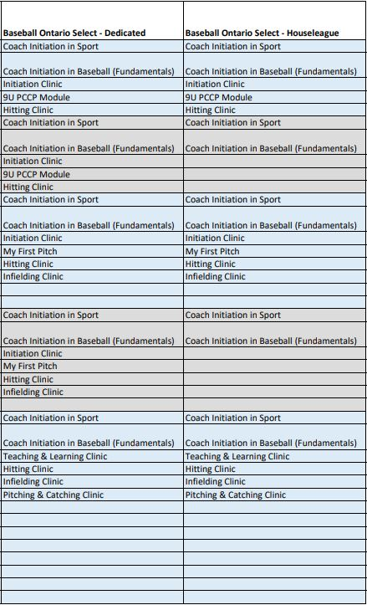

8U/9U Head Coach

8U/9U Assistant Coach

10U/11U Head Coach

10U/11U Assistant Coach

12U/13U Head Coach

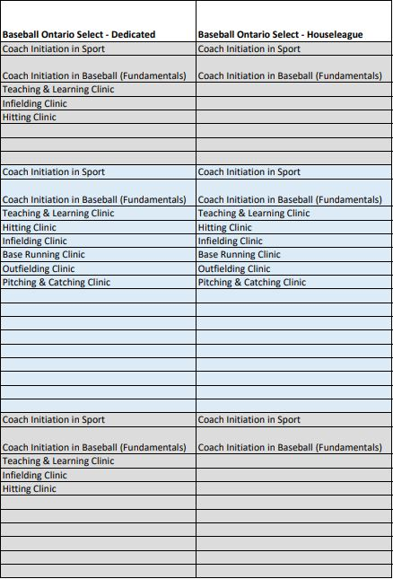

12U/13U Assistant Coach

14U/15U Head Coach

14U/15U Assistant Coach

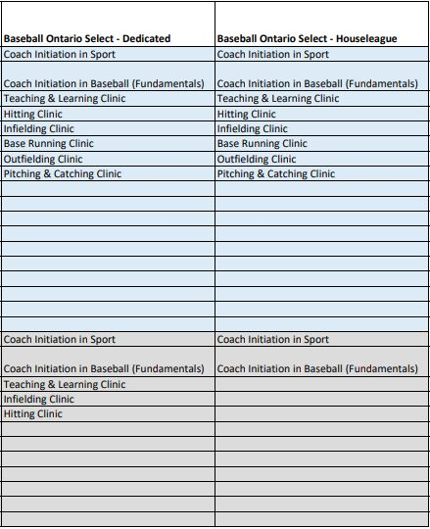

16U/18U Head Coach

16U/18U Assistant Coach

